Inst. HRV08, HRV52
Order form Veranda HRV08, HRV52

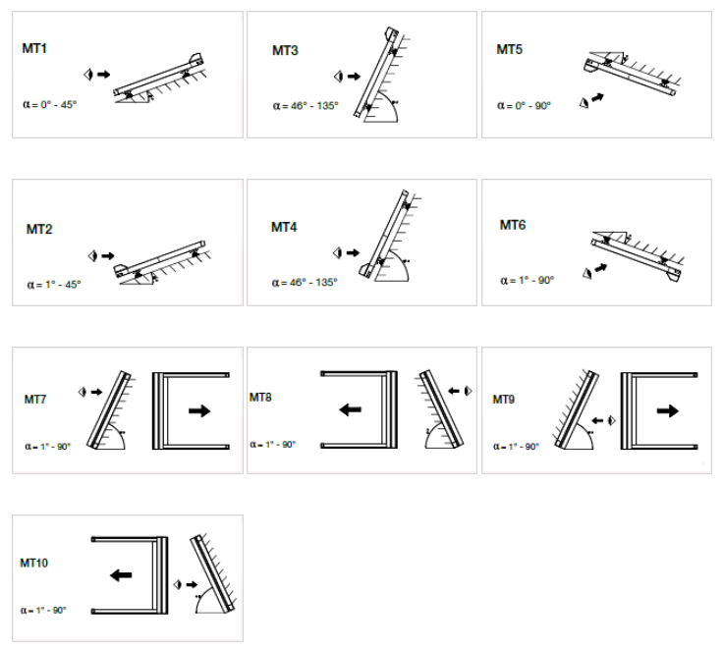
Abreviation n. 2
Abreviation n. 2 | name | note
HRV08-ZIP | Veranda HRV08 - ZIP
HRV52 | Veranda HRV52

Type of product
Abreviation n. 2 | name | note
HRV08 | Veranda HRV08 - ZIP
HRV52 | Veranda HRV52
HRV52pv | Veranda HRV52 with supporting cylinder | standardly included in price if projection up to 5ml; if over 5m, with extra charge

Box type
Abreviation n. 2 | name | note
MT1 | MT01 ouside instalation | for Veranda HRV08 - ZIP
MT2 | MT02 outside instalation | for Veranda HRV08 - ZIP
MT3 | MT03 outside instalation | for Veranda HRV08 - ZIP
MT4 | MT04 outside instalation | for Veranda HRV08 - ZIP
MT5 | MT05 inside instalation | for Veranda HRV08 - ZIP
MT6 | MT06 inside instalation | for Veranda HRV08 - ZIP
MT7 | MT07 outside instalation | for Veranda HRV08 - ZIP
MT8 | MT08 outside instalation | for Veranda HRV08 - ZIP
MT9 | MT09 inside instalation | for Veranda HRV08 - ZIP
MT10 | MT10 inside instalation | for Veranda HRV08 - ZIP
HRV52 |  | for Veranda HRV52

Blinds in shared box - order
Abreviation n. 2 | name | note
0 | blind is not coupled
1/2 | a - 1. blind in shared box from 2
2/2 | a - 2. blind in shared box from 2
1/3 | b - 1. blind in shared box from 3
2/3 | b - 2. blind in shared box from 3
3/3 | b - 3. blind in shared box from 3
1/4 | c - 1. blind in shared box from 4
2/4 | c - 2. blind in shared box from 4
3/4 | c - 3. blind in shared box from 4
4/4 | c - 4. blind in shared box from 4

Type of mounting
Abreviation n. 2 | name | note
A | to the window "A" (standard)
AE | from the window "AE" (exterior lighter)

Operation type |  |  | TECHNICAL VARIANTS OF VERANDA HRV08
Abreviation n. 2 | name | note | Type |  | Maximum width in meters |  |  |  |  |  |  |  |  |  |  |  |  | max. surface | Number of Verand | Numbers of motors
0 | No , not chosen |  |  |  | 1 | 1.7 | 2 | 2.55 | 3 | 3.4 | 4 | 5 | 6 | 7.8 | 8 | 9 | 10
2S | 2.motor Somfy Orea RTS |  | Type 1 | 1 Veranda | 1st part |  |  |  |  |  |  |  |  |  |  |  |  | 10,5m² | 1 | 1
6S | 6.motor Somfy Orea WT |  | Type 2 | 2 Verandas |  | 2 parts |  |  |  |  |  |  |  |  |  |  |  | 17,5m² | 2 | 1 | 2*
10S | 10. motor Somfy Sunea iO (automatic choice) |  | Type 3 | 3 Verandas |  |  |  | 3 parts |  |  |  |  |  |  |  |  |  | 26,25m² | 3 | 2
16BC | 16. motor Becker C PLUS (automatic choice) | only for Veranda HRV08 - ZIP
17BE | 17. motor Becker E (automatic choice) | only for Veranda HRV08 - ZIP
OrRTS40 | motor Somfy Orea RTS 40Nm up to 27,5m² |  | Type 4 | 4 Verandas |  |  |  |  |  | 4 parts |  |  |  |  |  |  |  | 35m² | 4 | 2
OrRTS55 | motor Somfy Orea RTS 55Nm up to 33m² | only for Veranda HRV52 |  |  |  |  |  |  |  |  |  |  |  |  |  |  |  |  |  |  | * up to 5001 mm - 2 motors
OrRTS70 | motor Somfy Orea RTS 70Nm up to 55m² | only for Verandu HRV52 | TECHNICAL VARIANTS OF VERANDA HRV08
OrRTS85 | motor Somfy Orea RTS 85Nm up to 66m² | only for Veranda HRV52 | Minimum Veranda Width: |  |  | 0,85 m
OrWT25 | motor Somfy Orea WT 25Nm up to 10,5m² | only for Veranda HRV08 - ZIP | Maximum Veranda Width: |  |  | 3 m
OrWT40 | motor Somfy Orea WT 40Nm up to 27,5m² |  | Maximum extension: |  |  | 3,5 m
OrWT55 | motor Somfy Orea WT 55Nm up to 33m² | only for Veranda HRV52 | Maximum surface area of the fabric: |  |  | 10,5m²
OrWT70 | motor Somfy Orea WT 70Nm up to 55m² | only for Veranda HRV52
OrWT85 | motor Somfy Orea WT 85Nm up to 66m² | only for Veranda HRV52
SiO25 | motor Sunea iO 25Nm up to 10,5m² | only for Veranda HRV08 - ZIP
SiO40 | motor Sunea iO 40Nm up to 27,5m²
SiO55 | motor Sunea iO 55Nm up to 33m² | only for Veranda HRV52
SiO70 | motor Sunea iO 70Nm up to 55m² | only for Veranda HRV52
SiO85 | motor Sunea iO 85Nm up to 66m² | only for Veranda HRV52
BC30 | 16. motor BECKER 50 C 30/17 PLUS < 10,5m2 | only for Veranda HRV08 - ZIP
BC40 | 16. motor BECKER 50 C 40/17 PLUS < 27,5m2 | only for Veranda HRV08 - ZIP
BE30 | 17. motor BECKER 50 E 30/17 < 10,5m2 | only for Veranda HRV08 - ZIP
BE40 | 17. motor BECKER 50 E 40/17 < 27,5m2 | only for Veranda HRV08 - ZIP

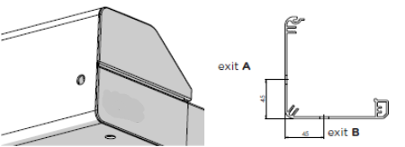
Operation place
Abreviation n. 2 | name | note
0 | WITHOUT - for coupled blinds
L | LEFT | only for Veranda HRV52
P | RIGHT | only for Veranda HRV52
LA | LEFT, EXIT A | only for Veranda HRV08 - ZIP
LB | LEFT, EXIT B | only for Veranda HRV08 - ZIP
PA | RIGHT, EXIT A | only for Veranda HRV08 - ZIP
PB | RIGHT, EXIT B | only for Veranda HRV08 - ZIP

Fabric colour
Abreviation n. 2 | name | note
SLTZ 2044 | SC ZIP fabric SLTZ 2044
SLTZ 2047 | SC ZIP fabric SLTZ 2047
SLTZ 2051 | SC ZIP fabric SLTZ 2051
SLTZ 2135 | SC ZIP fabric SLTZ 2135
SLTZ 2167 | SC ZIP fabric SLTZ 2167
SLTZ 2175 | SC ZIP fabric SLTZ 2175
SLTZ86 2012 | SCREEN EX./IN. ZIP Soltis 86 2012
SLTZ86 2043 | SCREEN EX./IN. ZIP Soltis 86 2043
SLTZ86 2044 | SCREEN EX./IN. ZIP Soltis 86 2044
SLTZ86 2047 | SCREEN EX./IN. ZIP Soltis 86 2047
SLTZ86 2051 | SCREEN EX./IN. ZIP Soltis 86 2051
SLTZ86 2135 | SCREEN EX./IN. ZIP Soltis 86 2135
SLTZ86 2167 | SCREEN EX./IN. ZIP Soltis 86 2167
SLTZ86 2175 | SCREEN EX./IN. ZIP Soltis 86 2175
S BIRC 018 | MAR Fabric Elements Solids 314 018 120 Whisper | only for Veranda HRV52
S BIRC 471 | MAR Fabric Elements Solids 314 471 120 Birch | only for Veranda HRV52
S BIRC 703 | MAR Fabric Elements Solids 314 703 120 Fawn | only for Veranda HRV52
S BIRC 803 | MAR Fabric Elements Solids 314 803 120 Satellite | only for Veranda HRV52
S CIRR 954 | MAR Fabric Elements Stripes 320 954 120 Alloy | only for Veranda HRV52
S CIRR 955 | MAR Fabric Elements Stripes 320 955 120 Cirrus | only for Veranda HRV52
S CIRR 956 | MAR Fabric Elements Stripes 320 956 120 Parkway | only for Veranda HRV52
S ELEM 252 | MAR Fabric Elements Stripes 320 252 120 Evergreen | only for Veranda HRV52
S ELEM 441 | MAR Fabric Elements Stripes 320 441 120 Walk | only for Veranda HRV52
S ELEM 614 | MAR Fabric Elements Stripes 320 614 120 Echo | only for Veranda HRV52
S ELEM 714 | MAR Fabric Elements Stripes 320 714 120 Trace | only for Veranda HRV52
S ELEM 715 | MAR Fabric Elements Stripes 320 715 120 Ramble | only for Veranda HRV52
S ELEM 731 | MAR Fabric Elements Stripes 320 731 120 Imprint | only for Veranda HRV52
S ELEM 758 | MAR Fabric Elements Stripes 320 758 120 Roof Tile | only for Veranda HRV52
S GRAT 923 | MAR Fabric Urban Design 320 923 120 Steel | only for Veranda HRV52
S GRAT 925 | MAR Fabric Urban Design 320 925 120 Grid | only for Veranda HRV52
S GRAT 928 | MAR Fabric Urban Design 320 928 120 Grassy | only for Veranda HRV52
S GRAT 930 | MAR Fabric Urban Design 320 930 120 Sunny | only for Veranda HRV52
S GRAT 937 | MAR Fabric Urban Design 320 937 120 Iron | only for Veranda HRV52
S LAND 639 | MAR Fabric Lumera Landscape 338 639 120 Sahara | only for Veranda HRV52
S LAND 641 | MAR Fabric Lumera Landscape 338 641 120 Arctic | only for Veranda HRV52
S LAND 642 | MAR Fabric Lumera Landscape 338 642 120 Greenland | only for Veranda HRV52
S LAND 643 | MAR Fabric Lumera Landscape 338 643 120 Cliffs | only for Veranda HRV52
S LAND 644 | MAR Fabric Lumera Landscape 338 644 120 Fjord | only for Veranda HRV52
S LAND 655 | MAR Fabric Lumera Landscape 338 655 120 Ladakh | only for Veranda HRV52
S LAND 656 | MAR Fabric Lumera Landscape 338 656 120 Chott | only for Veranda HRV52
S LAND 658 | MAR Fabric Lumera Landscape 338 658 120 Gobi | only for Veranda HRV52
S LAND 662 | MAR Fabric Lumera Landscape 338 662 120 Beach | only for Veranda HRV52
S LAND 665 | MAR Fabric Lumera Landscape 338 665 120 Vulcano | only for Veranda HRV52
S LAND 667 | MAR Fabric Lumera Landscape 338 667 120 Golden Crops | only for Veranda HRV52
S LANDM 620 | MAR Fabric Lumera Land. Mini 338 620 120 Sand | only for Veranda HRV52
S LANDM 621 | MAR Fabric Lumera Land. Mini 338 621 120 Gravel | only for Veranda HRV52
S LANDM 623 | MAR Fabric Lumera Land. Mini 338 623 120 Lava | only for Veranda HRV52
S LANDM 627 | MAR Fabric Lumera Land. Mini 338 627 120 Clay | only for Veranda HRV52
S LEAF 770 | MAR Fabric Lumera Leaf 338 770 120 Williow | only for Veranda HRV52
S LEAF 771 | MAR Fabric Lumera Leaf 338 771 120 Walnut | only for Veranda HRV52
S LEAF 772 | MAR Fabric Lumera Leaf 338 772 120 Juniper | only for Veranda HRV52
S LEAF 773 | MAR Fabric Lumera Leaf 338 773 120 Poplar | only for Veranda HRV52
S LEAF 775 | MAR Fabric Lumera Leaf 338 775 120 Beech | only for Veranda HRV52
S LEAF 777 | MAR Fabric Lumera Leaf 338 777 120 Maple | only for Veranda HRV52
S LINE 990 | MAR Fabric Urban Design 320 990 120 Clarion | only for Veranda HRV52
S LINE 991 | MAR Fabric Urban Design 320 991 120 Sunlite | only for Veranda HRV52
S LINE 992 | MAR Fabric Urban Design 320 992 120 Timber | only for Veranda HRV52
S LINE 993 | MAR Fabric Urban Design 320 993 120 Concrete | only for Veranda HRV52
S LINE 994 | MAR Fabric Urban Design 320 994 120 Black Brick | only for Veranda HRV52
S SOLI 003 | MAR Fabric Lumera Solids 338 003 120 Sulphur | only for Veranda HRV52
S SOLI 033 | MAR Fabric Lumera Solids 338 033 120 Aragonit | only for Veranda HRV52
S SOLI 079 | MAR Fabric Lumera Solids 338 079 120 Siderite | only for Veranda HRV52
S SOLI 089 | MAR Fabric Lumera Solids 338 089 120 Peridot | only for Veranda HRV52
S SOLI 136 | MAR Fabric Lumera Solids 338 136 120 Hematite | only for Veranda HRV52
S SOLI 398 | MAR Fabric Lumera Solids 338 398 120 Slate | only for Veranda HRV52
S SOLI 406 | MAR Fabric Lumera Solids 338 406 120 Granat | only for Veranda HRV52
S SOLI 712 | MAR Fabric Lumera Solids 338 712 120 Barite | only for Veranda HRV52
S SOLI 713 | MAR Fabric Lumera Solids 338 713 120 Bronzit | only for Veranda HRV52
S SOLI 808 | MAR Fabric Lumera Solids 338 808 120 Beryl | only for Veranda HRV52
S SOLI 809 | MAR Fabric Lumera Solids 338 809 120 Silver | only for Veranda HRV52
S SOLI 810 | MAR Fabric Lumera Solids 338 810 120 Apatite | only for Veranda HRV52
...

HRV80-ZIP, HRV80-ZIP-2P
...
Notes:

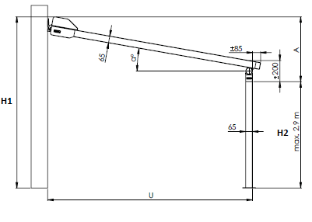
Explanatory note:
6) The total width = centre of side guide to centre of side guide. The outside of the box is always 40mm (2x20mm) larger than the middle of the guide rail or the middle of the attachment points. i.e. width of box is always 40mm wider than total width of Veranda. This does not apply for Veranda HRV80-ZIP-2P
7) Enter height = extension in mm
8) We connect max. 4 pcs of Veranda (not in common box). The maximum width of 4 Veranda abreast is 16m.
9) Enter H1 height in mm only for Veranda HRV80-ZIP-2P. H1 is total height including box. |  |  |  |  |  |  |  | A: Inclination (mm) = H1 - H2 |  | Inclination angle (α) | 8°
10) Enter H2 height in mm only for Veranda HRV80-ZIP-2P. H2 is passage height, max. height is 2900mm. |  |  |  |  |  |  |  | H1: Total height including box
11) Enter "X" value in mm only for Veranda HRV80-ZIP-2P. Value "X" determines distance of the pole from the outer edge of side guide rail. |  |  |  |  |  |  |  | H2: Passage height (max. 2,9 m) | Extension (U) | 1500 | 490
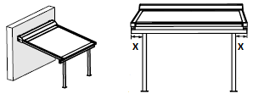
 |  | Value "X" does not apply for common Verandas |  |  |  |  |  | U: Extension |  | 2000 | 560
 |  |  |  |  |  |  |  |  |  | 2500 | 630
 |  |  |  |  |  |  |  |  |  | 3000 | 700
 |  |  |  |  |  |  |  |  |  | 3500 | 770
 |  |  |  |  |  |  |  |  |  | 4000 | 840
 |  |  |  |  |  |  |  |  |  | 4500 | 910
 |  |  |  |  |  |  |  |  |  | 5000 | 980
 |  |  |  |  |  |  |  |  | Note.1: Check if the construction inclination is higher or equal to value stated in the table above so sufficient water drainage on the front side is achieved. Breach of recommended inclination can lead to improper water drainage and therefore fabric damage or its sagging.

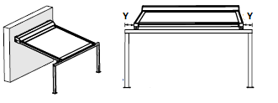
12) Enter "Y" value in mm only for Veranda HRV80-ZIP-2P. Value "Y" determines distance of the pole from the outer edge of guiding rail.
 |  | Value "Y" does not apply for common Verandas |  |  |  |  |  |  | Veranda is designed as sun protection, not a protection against rain.

 |  |  |  | 17) choose fabric color from offered values on sheet Instructions HRV80; color shades may differ in particular supplies
 |  |  |  | for Veranda HRV80 with fabrics Soltis 86 and 92 : extension > 2670mm the fabric is equipped with a horizontal seam
 |  |  |  | for Veranda HRV80 with fabrics Soltis B92 : extension > 1700mm the fabric is equipped with a horizontal seam
 |  |  |  | 19) and 23) for Veranda HRV80-ZIP-2P the color of side rails is equal to color of poles.
 |  |  |  | 20) and 29) for Veranda HRV80-ZIP there are "L" profiles available for wall attachment, use together with "Cv" brackets. These brackets can be ordered as optional accessories.
 |  |  |  |  | Length of "L" profiles: | L1 = 50 x 30 x 3mm | (order number: 6-014823-0000, abbr.2 VRH 116)
 |  |  |  |  |  | L2 = 100 x 50 x 3mm | (order number: 6-014824-0000, abbr.2 VRH 114)
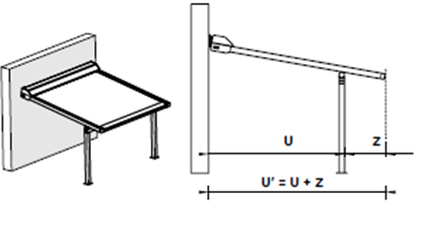
13) Enter "Z" value in mm only for Veranda HRV80-ZIP-2P. Value "Z" determines distance of side guiding rail overlap from the outher edge of the pole. |  |  |  |  |  | L3 = 150 x 50 x 4,5mm | (order number: 6-014825-0000, abbr.2 VRH 115)
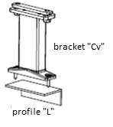

 |  |  | Note.2: it is not possible to combine "X" and "Y" values together. If value "X" is entered then "Y" value = 0 and vice versa.

 |  |  |  | Note.2: for pole position to facade it is necessary to order pole "2" by a Note in the order.
 |  |  |  |  | Pole "STANDARD" |  | "Pole 2"

 | U´=max.5m

 |  |  |  |  |  |  |  |  |  |  |  | General business terms and Complaint Procedure terms are expressly valid for mutual business between Isotra a.s. and the customer. All terms are available here:
Valid from: 01.07.2024 |  |  |  |  |  |  | http://www.isotra.com/general-business-terms |  |  |  |  | http://www.isotra.com/complaint-procedure

Instr. HRV80-ZIP, HRV80-ZIP-2P
Order form Veranda HRV80-ZIP, HRV80-ZIP-2P

Abreviation n. 2
Abreviation n. 2 | name | note
HRV80-ZIP | Veranda HRV80-ZIP
HRV80-ZIP 2P | Veranda HRV80-ZIP 2P

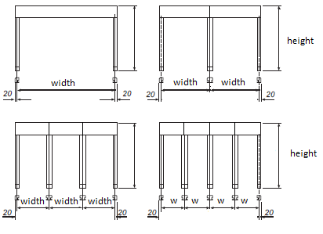
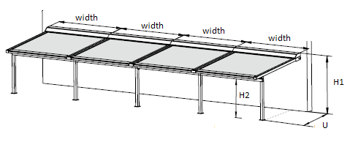
Type of product
Abreviation n. 2 | name | note |  | Veranda HRV80 - ZIP |  | Veranda HRV80 - ZIP - 2P
HRV80 | Veranda HRV80-ZIP | support profile supplied automatically above 4m extension
HRV80pp | Veranda HRV80-ZIP with support profile | support profile always
HRV802P | Veranda HRV80-ZIP 2P | support profile supplied automatically above 4m extension
HRV802Ppp | Veranda HRV80-ZIP 2P with support profile | support profile always

Box type
Abreviation n. 2 | name | note
HRV80 | Box for Veranda HRV80-ZIP | size 175x245

Screens in common box - order
Abreviation n. 2 | name | note
0 | single screen
1/2 | a - 1. from 2 | screens are not in common box
2/2 | a - 2. from 2 | screens are not in common box
1/3 | b - 1. from 3 | screens are not in common box
2/3 | b - 2. from 3 | screens are not in common box |  |  | The maximum width of 4 Veranda abreast is 16m.
3/3 | b - 3. from 3 | screens are not in common box
1/4 | c - 1. from 4 | screens are not in common box
2/4 | c - 2. from 4 | screens are not in common box
3/4 | c - 3. from 4 | screens are not in common box
4/4 | c - 4. from 4 | screens are not in common box
 |  |  | Veranda HRV80pp |  | Veranda HRV802Ppp
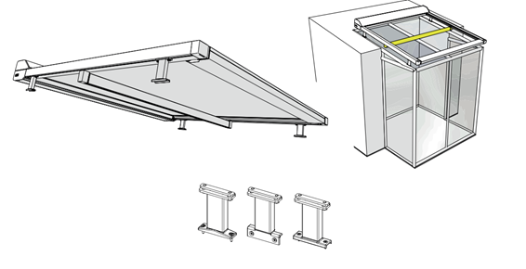
Dimension "X" [mm]
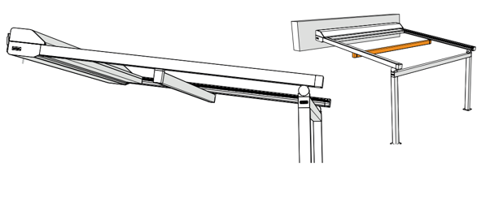
Abreviation n. 2 | name | note
0 | 0mm
65 | 65mm | option only for Veradna HRV80-ZIP-2P
100 | 100mm | option only for Veradna HRV80-ZIP-2P
200 | 200mm | option only for Veradna HRV80-ZIP-2P
300 | 300mm | option only for Veradna HRV80-ZIP-2P
400 | 400mm | option only for Veradna HRV80-ZIP-2P
500 | 500mm | option only for Veradna HRV80-ZIP-2P

Dimension "Y" [mm]
Abreviation n. 2 | name | note
0 | 0mm
65 | 65mm | option only for Veradna HRV80-ZIP-2P
100 | 100mm | option only for Veradna HRV80-ZIP-2P
200 | 200mm | option only for Veradna HRV80-ZIP-2P
300 | 300mm | option only for Veradna HRV80-ZIP-2P
400 | 400mm | option only for Veradna HRV80-ZIP-2P
500 | 500mm | option only for Veradna HRV80-ZIP-2P

Dimension "Z" [mm]
Abreviation n. 2 | name | note
0 | 0mm | option only for Veradna HRV80-ZIP
85 | 85mm | option only for Veradna HRV80-ZIP-2P
100 | 100mm | option only for Veradna HRV80-ZIP-2P
200 | 200mm | option only for Veradna HRV80-ZIP-2P
300 | 300mm | option only for Veradna HRV80-ZIP-2P
...

